inst. Gammper
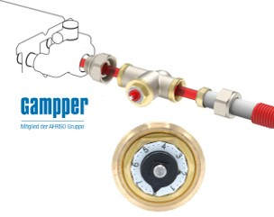
design flow

 | heating
 | P (W) | 2081 | 90 l/u
 | DT (°C) | 20

 | cooling
 | P (W) | 400 | 86 l/u
 | DT (°C) | 4

setting Gampper |  | 3.5

setting Gampper |  | 3.5

